1. Title Page
[Instacart Grocery Basket Analysis]

Project Name: Instacart Grocery Basket Analysis
Date: 17/05/2024
Analyst Name: Peter Pap

Contents:
Population Flow
Consistency checks
Wrangling steps
Column derivations
Visualizations
Recommendations

2. Population Flow
 |  | Title page

Population flow

Exclusion flag
Condition: max_order < 5
Obervations to be removed: 0
Final total count of order_products_all: 32404859

Orders_products_combined
Orders_products_merged
Orders_products_all

Total: 32404859
Total:
Total:
324434489 | 32404859

1.) The grey boxes in the first row of the population flow represent the original data sets as they were when you downloaded them. In the Total fields you need to add the count of the rows when you imported the data set into Jupyter.
2.) The second row of boxes (coloured) represents the data sets after you manipulated them, e.g., removed missing values and duplicates. In the Total fields you need to add the count of the rows after conducting these operations. This offers a visual oveview of how the data flows throughout the data consistency checks.
3.) The third row, where also the arrows are coloured, represents the merges you performed between the datasets. In the Total fields you need to add the count of the rows in the merged datasets, so that you end up with the final dataset (in the red box). Keep in mind the final dataset should be without exclusions (based on the exclusion flag).

3. Consistency checks
 |  |  |  | Title page
Consistency checks

Dataset | Missing values | Missing values treatment | Duplicates
orders | 206209 missing entries for 'days since prior' | Creating a Flag that clarifies missing info | N/A
products | 16 missing entries for 'product name' | New dataframe without NaN
orders_products_prior | no missing values |  | no duplicates
customers | /

4. Wrangling steps
 |  |  |  | Title page
Wrangling steps

Columns dropped | Columns renamed | Columns' type changed | Comment/Reason
eval_set (orders.csv) |  |  | It's not needed for analysis.
 | Changed order_dow to orders_day of_week. (orders.csv) |  | The original name was not intuitive.
 |  | Changed the data type of order_id to string. (order.csv) | To use the date as a text I have changed the data type so describe( ) would ignore it.
 |  | Changed the data type of order_number to string. (order.csv) | To use the date as a text I have changed the data type so describe( ) would ignore it.
 | Changed days_since_prior_order to days_since_last_order. (orders.csv) |  | The original name was not intuitive.
 |  | Changed the data type user_id to string (customers)
Unnamed: 0.1 (orders.csv)
Unnamed: 0 (orders.csv) |  |  | It's not needed for analysis.
 |  |  | It's not needed for analysis.
_merge |  |  | It's not needed for analysis.
first_name (Final full combined.pkl) |  |  | PII data needs to be addressed.
surname (Final full combined.pkl) |  |  | PII data needs to be addressed.
 | 'First Name': 'first_name', (customers.csv) |  | Unifying format
 | 'Surnam': 'surname', (customers.csv) |  | spelling mistake
 | 'Gender': 'gender', (customers.csv) |  | Unifying format
 | 'STATE': 'state', (customers.csv) |  | Unifying format
 | 'Age': 'age' (customers.csv) |  | Unifying format
 | fam_status to marital_status |  | Unifying format

5. Column derivations
 |  |  |  | Title page

Column derivations and aggregations

In this tab you should add tables below that the frequences of flags/label variables that you produced after deriving them. NB: don't do this for continuous variables, only for flags.
Dataset | New column | Column/s it was derived from | Conditions
orders_products_merged.pkl | price_range | prices | prices <= 5: 'Low-range product'; 5 < prices <= 15: 'Mid-range product'; prices > 15: 'High range'
orders_products_merged.pkl | price_range_loc | prices | prices > 15: 'High-range product'; 5 < prices <= 15: 'Mid-range product'; prices <= 5: 'Low-range product'
orders_products_merged_derived.pkl | max_order | order_number | Maximum order number per user
orders_products_merged_derived.pkl | loyalty_flag | max_order | max_order > 40: 'Loyal customer'; 10 < max_order <= 40: 'Regular customer'; max_order <= 10: 'New customer'
Subset of main dataframe (4.9 task practice) | Various plots and figures | Multiple columns like order_hour_of_day, prices, age, income, n_dependants | Visualization and export of histograms, bar charts, line charts, scatter plots
Subset of main dataframe (4.9 .1 task practice) | Various plots and figures | Multiple columns like prices, order_hour_of_day | Creation and export of histograms, bar charts, line charts
Subset of main dataframe (4.9.2 practice) | Various plots and figures | Multiple columns like order_hour_of_day, prices, age, income, n_dependants | Visualization and export of line charts, scatter plots, and more
orders_products_customers_aggregated.pkl | Various visualizations and analyses | Multiple columns like order_hour_of_day, prices, age, income, n_dependants, region | Visualization and export of various plots and figures based on age groups, spending habits, loyalty flags, etc.
4.9 Data Visualization.ipynb | Various plots and figures | order_hour_of_day, prices, age, income, n_dependants | Histograms, bar charts, line charts, scatter plots exported as PNG files
4.9.1 Intro to Data Visualization with Python Task Part 1.ipynb | Various plots and figures | prices, order_hour_of_day | Histograms, bar charts, line charts created and exported based on column values
4.9.2 Intro to Data Visualization with Python Task Part 2.ipynb | Various plots and figures | order_hour_of_day, prices, age, income, n_dependants | Line charts, scatter plots created and exported based on column values
4.10 Final.ipynb | Various visualizations and analyses | order_hour_of_day, prices, age, income, n_dependants, region | Various plots and figures based on age groups, spending habits, loyalty flags, etc., exported as PNG files

6. Visualizations
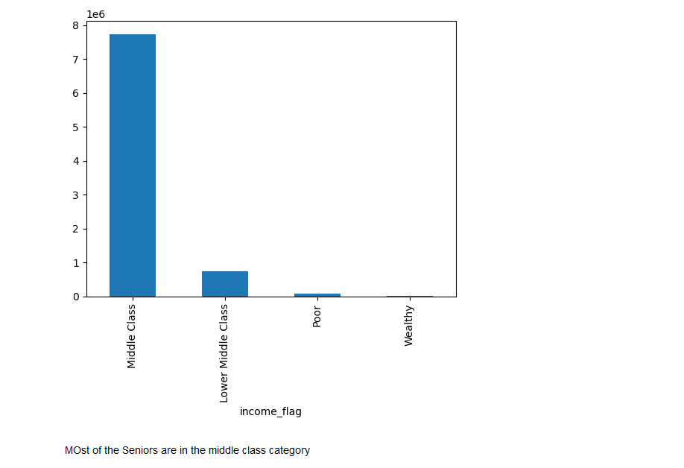
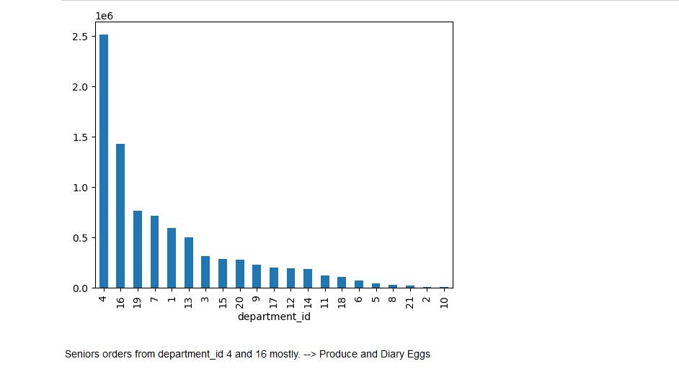
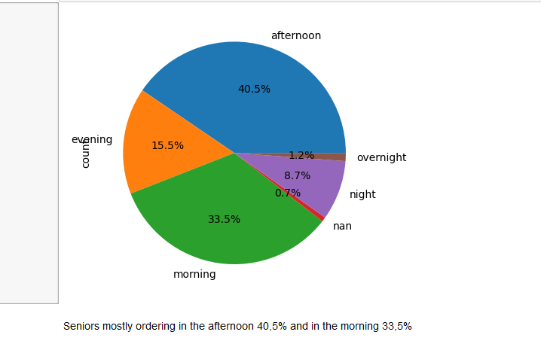
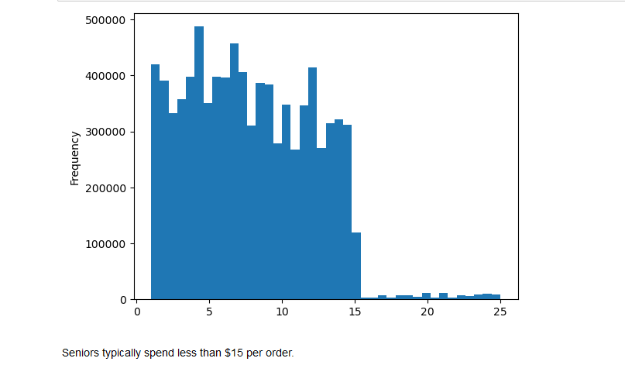
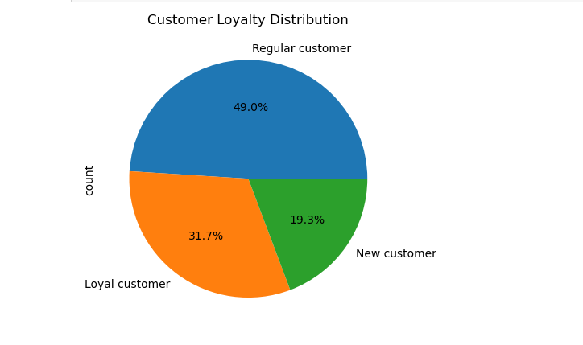
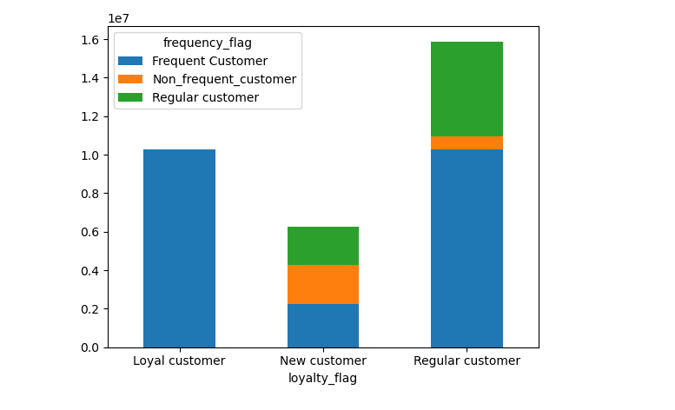
 | Title page

Visualisations

In this tab you should include all the visualtions from Exercises 4.9 and 4.10, alongside the questions from the project brief that they answer. Include any commentary on the relationship between different variables.

1) What are the busiest days of the week and hours of the day?


0 = Saturday
1 = Sunday
2 = Monday
3 = Tuesday
4 = Wednesday
5 = Thursday
6 = Friday

The bar chart illustrates the frequency of orders placed throughout the week, with weekends showing the highest volume of orders.

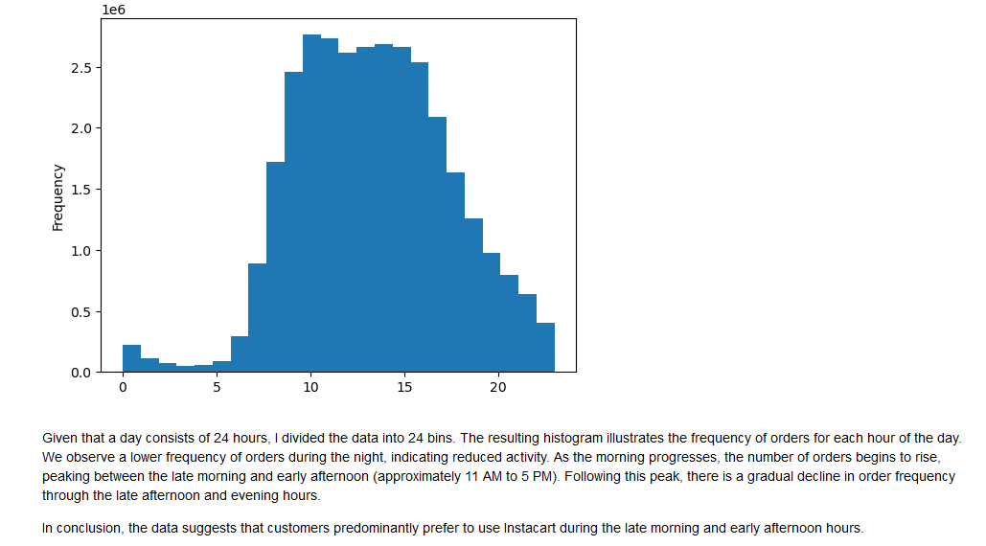
• The busiest hours of the day are 10 am and 11 am.
• The slowest hours of the day are 3 am and 4 am.
• The busiest period is 8 am - 7 pm.
• The slowest period is 12 am - 6 am.
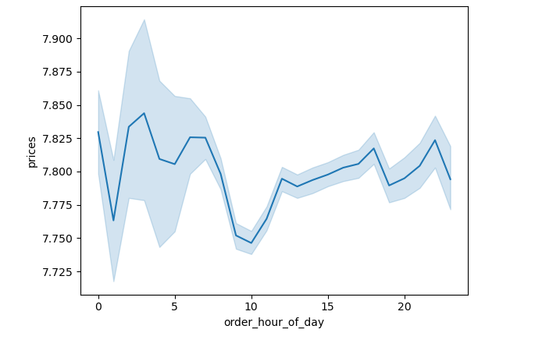

This chart displays the frequency of orders placed throughout the day, with peak times occurring in the late morning and late afternoon. The highest order frequency is at 10 AM, and there is a noticeable decline in orders after 3 PM

2, They also want to know whether there are particular times of the day when people spend the most money, as this might inform the type of products they advertise at these times.

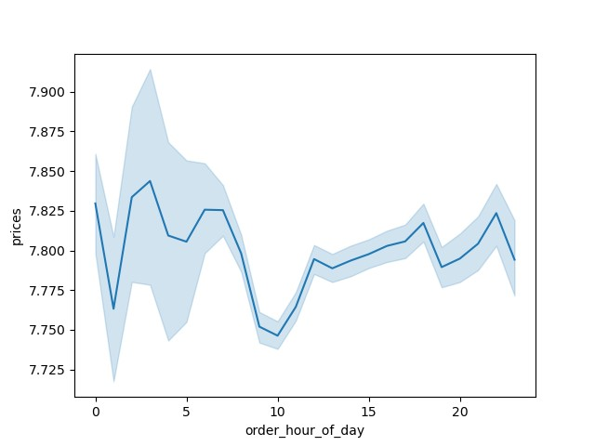

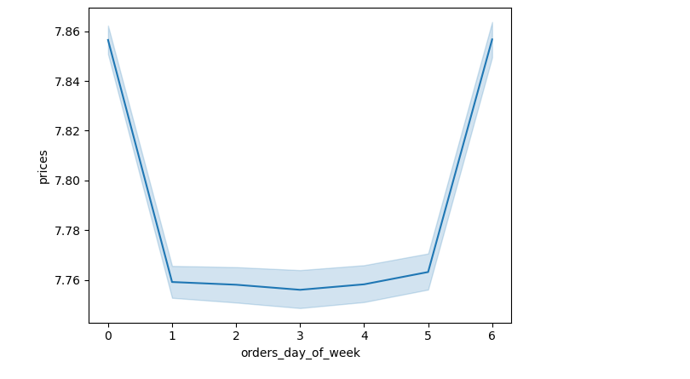

Most money are spend during nighttime, early morning

3, Instacart has a lot of products with different price tags. Marketing and sales want to use simpler price range groupings to help direct their efforts.



4, Are there certain types of products that are more popular than others? The marketing and sales teams want to know which departments have the highest frequency of product orders.

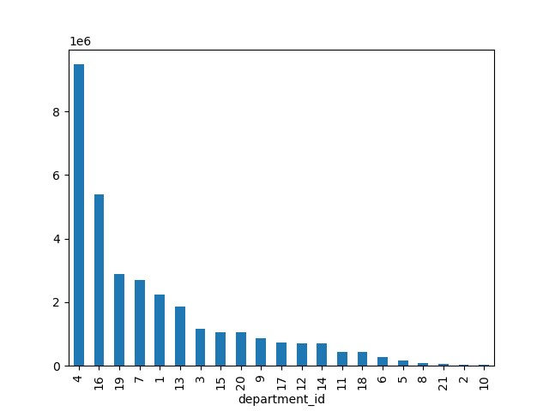

Department 4 and 16 are the most popular. Which are produce and diary eggs.

5, The marketing and sales teams are particularly interested in the different types of customers in their system and how their ordering behaviors differ. For example:
○ What’sthedistribution among users in regards to their brand loyalty (i.e., how often do they return to Instacart)?
○ Are theredifferences in ordering habits based on a customer’s loyalty status? ○ Are theredifferences in ordering habits based on a customer’s region?
○ Is there aconnection between age and family status in terms of ordering habits?
○ What different classifications does the demographic information suggest? Age? Income? Certain types of goods? Family status?
○ Whatdifferences can you find in ordering habits of different customer profiles? Consider the price of orders, the frequency of orders, the products customers are ordering, and anything else you can think of
PLease see the answer under Recommeddations tab



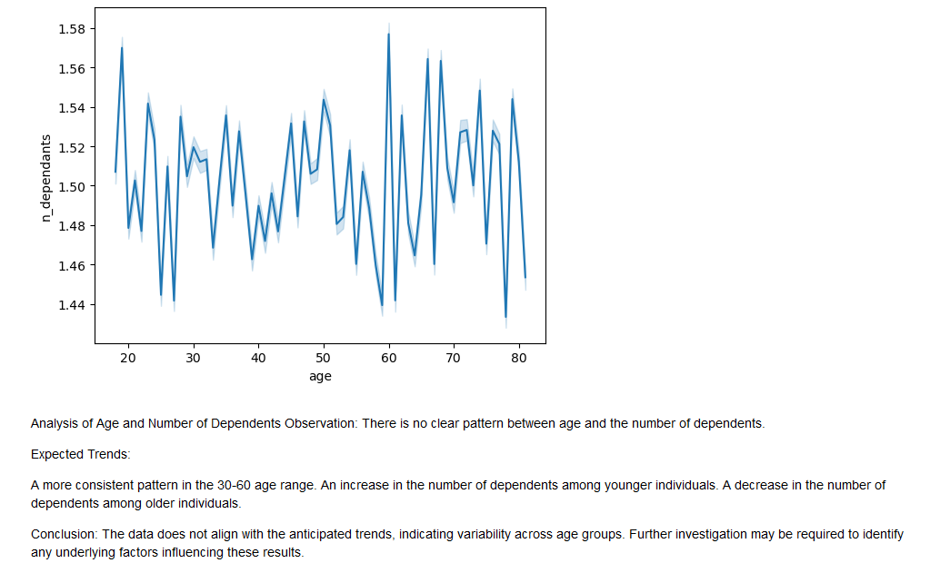

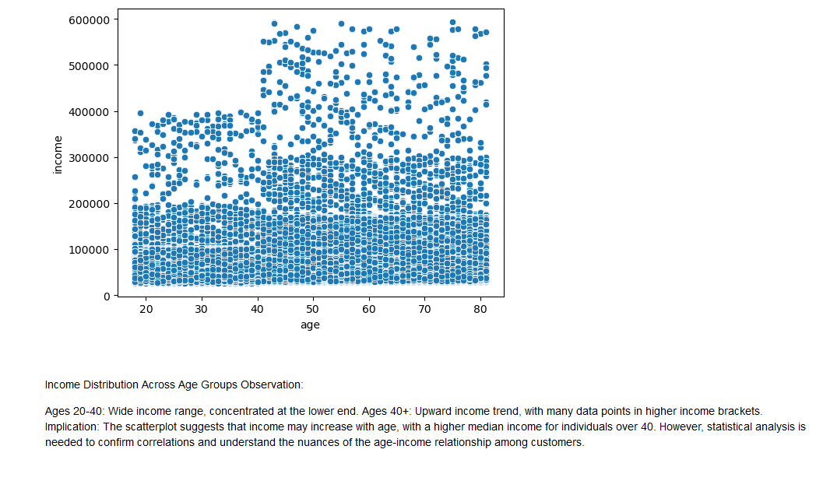

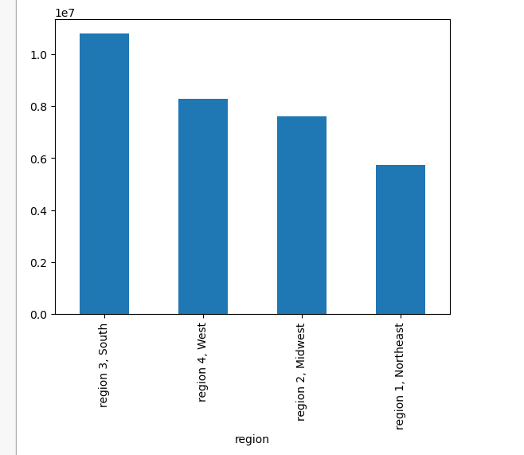

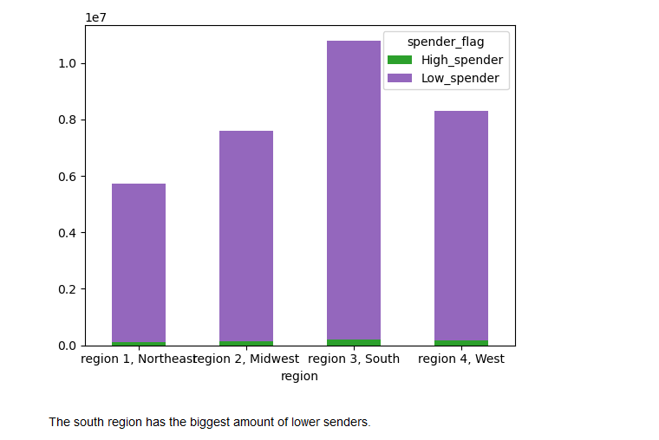

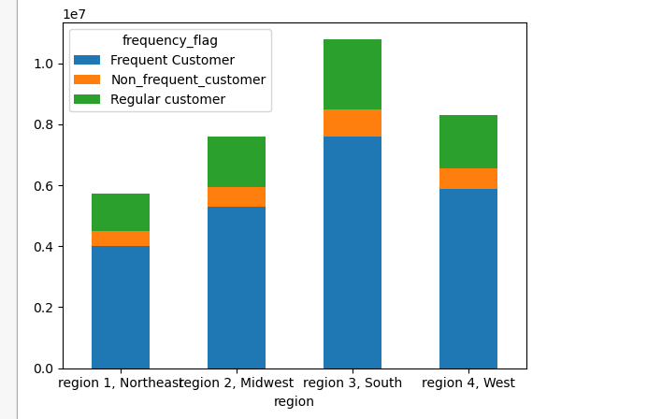

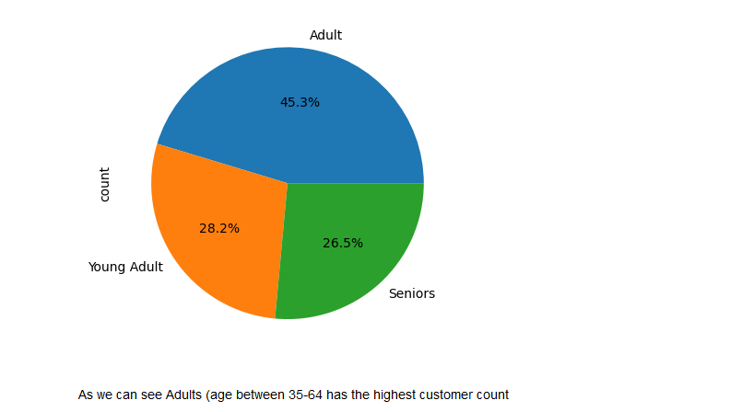

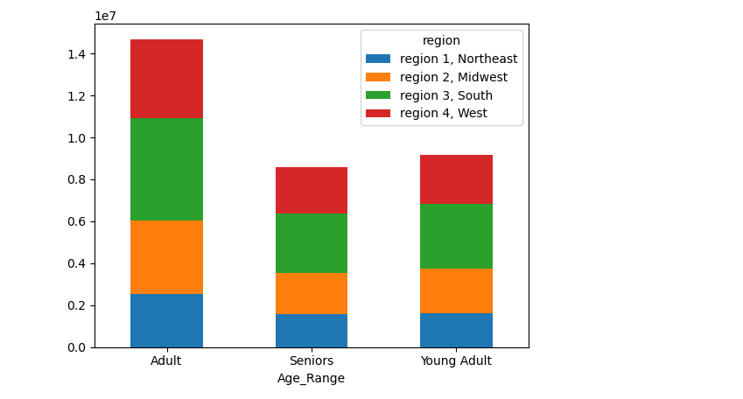

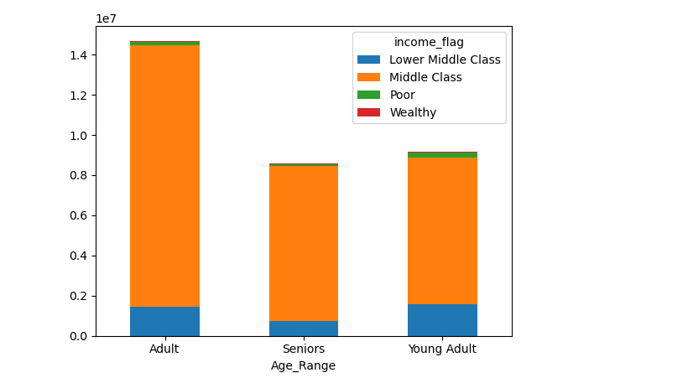

YOUNG ADULTS

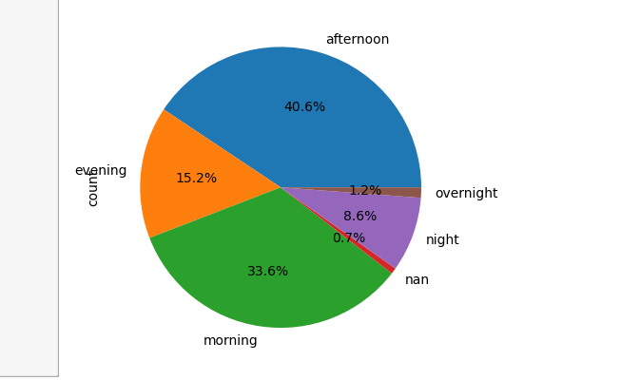
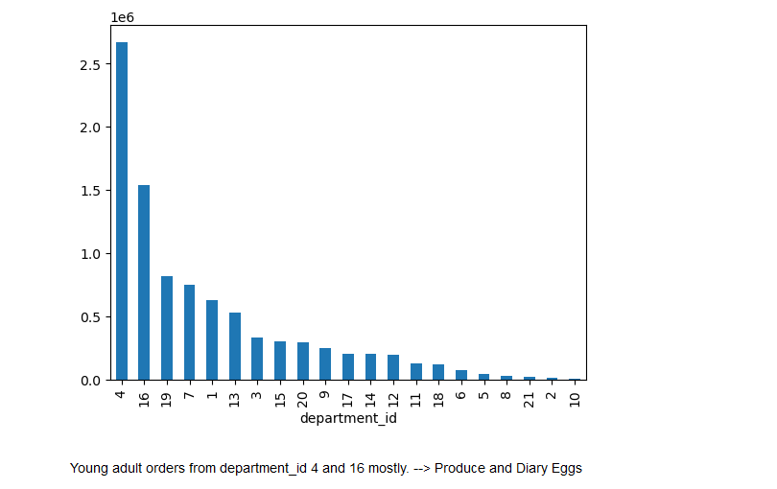
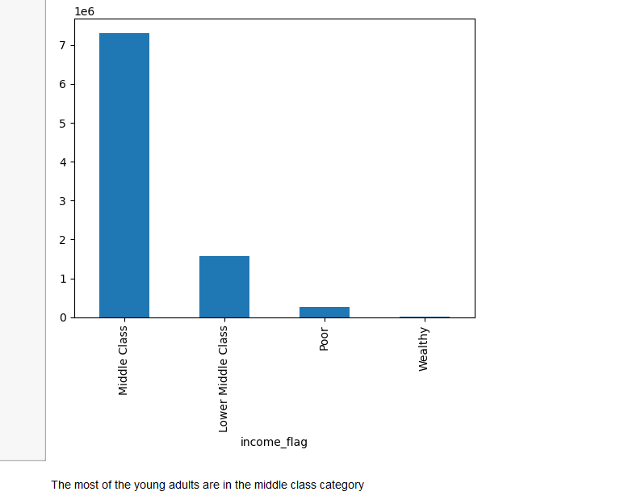

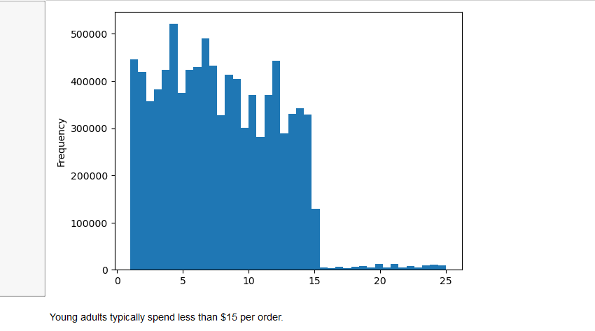

ADULTS

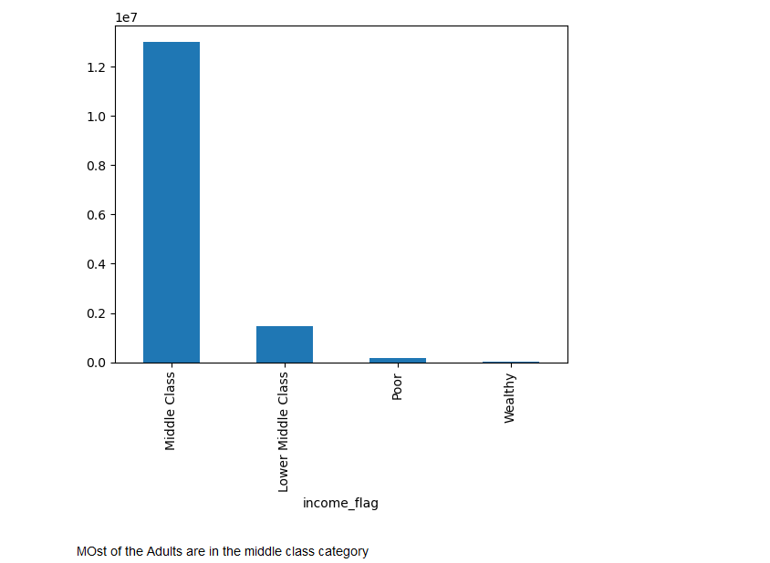

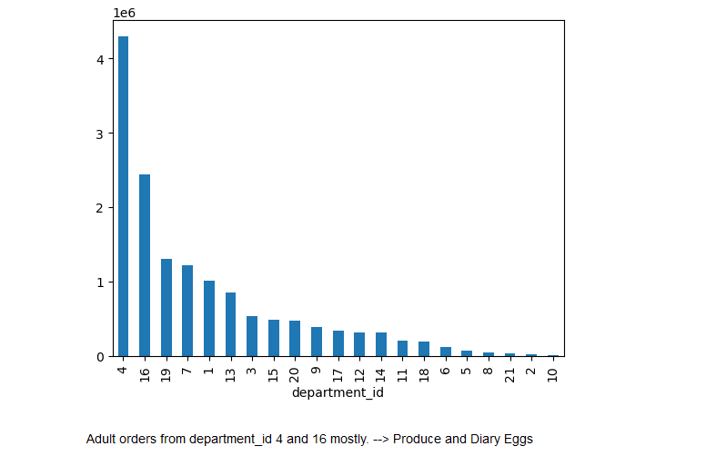

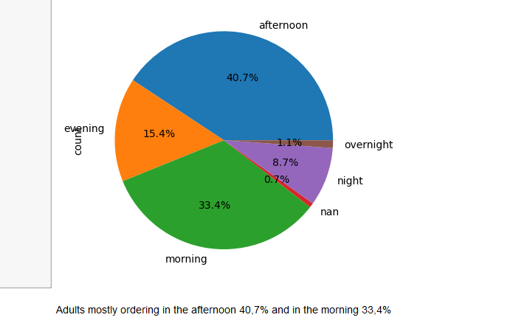

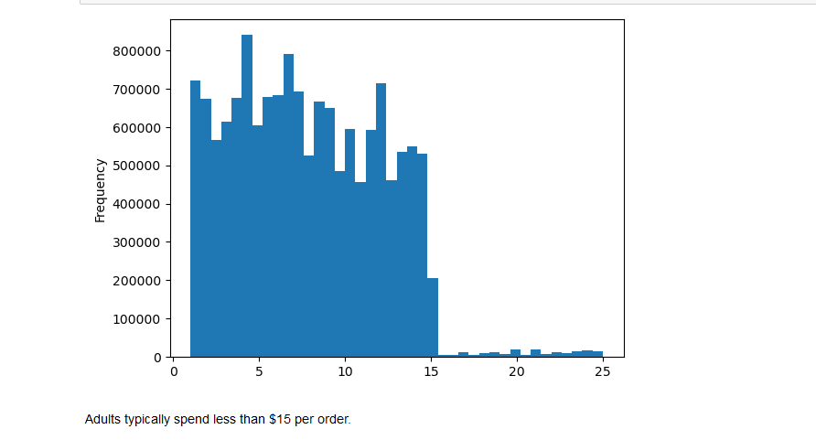

Seniors

7. Recommendations
 |  | Title page

Recommendations

In this tab you should include any recommendations you would made to Instcart in terms of their marketing strategy based on the questions posed in the brief. Every key question has been covered in the Tasks of the Exercises - here you need to add an item - a visualisation or table/crosstable that is showing the answer in the data, acompanied by a comment from you. Please, list the questions below and add the answer underneath.

Question | Answer
1) What are the busiest days of the week and hours of the day?
It is recommended to focus advertising efforts during weekdays or incorporate slogans in ads that reference specific days of the week. For example: "The perfect spot to unwind after a busy workday." Increase advertising efforts after work hours and during early evenings.

2, They also want to know whether there are particular times of the day when people spend the most money, as this might inform the type of products they advertise at these times.
Boosting ads in the evening

3, Instacart has a lot of products with different price tags. Marketing and sales want to use simpler price range groupings to help direct their efforts.
The best selling products / price ranges are between 1-15 USD. Instacart should increase the products can be sold between this price range

Produce and diary eggs are the best departmentsa. Followed by snacks, beverages, amd frozen. These departments should be advertised
4, Are there certain types of products that are more popular than others? The marketing and sales teams want to know which departments have the highest frequency of product orders.

5, The marketing and sales teams are particularly interested in the different types of customers in their system and how their ordering behaviors differ. For example:
○ What’sthedistribution among users in regards to their brand loyalty (i.e., how often do they return to Instacart)?
○ Are theredifferences in ordering habits based on a customer’s loyalty status?
○ Are theredifferences in ordering habits based on a customer’s region?
○ Is there aconnection between age and family status in terms of ordering habits?
○ What different classifications does the demographic information suggest? Age? Income? Certain types of goods? Family status?
○ What differences can you find in ordering habits of different customer profiles? Consider the price of orders, the frequency of orders, the products customers are ordering, and anything else you can think of.
### Insights and Answers to question NR 5 and the subquestions
1. **Distribution Among Users Regarding Brand Loyalty**:
- Frequent and regular customers take up a large percentage of the customer base, indicating strong brand loyalty.
2. **Differences in Ordering Habits Based on Customer Loyalty Status**:
- Loyal customers spend more on Sundays compared to weekdays.
- Regular and new customers place fewer orders on Wednesdays and Thursdays.
3. **Differences in Ordering Habits Based on Customer Region**:
- The South outperforms other regions because it has the largest number of customers.
- The West region has the highest average price per customer.
4. **Connection Between Age and Family Status in Terms of Ordering Habits**:
- There is no clear pattern indicating a connection between age and the number of dependents.
5. **Classifications Suggested by Demographic Information**:
- **Age**: Adults (age 35-64) have the highest customer count.
- **Income**: Most young adults, adults, and seniors fall into the middle-class category.
- **Types of Goods**: Young adults, adults, and seniors primarily order from the Produce and Dairy & Eggs departments.
- **Family Status**: High and middle-income married couples are the top revenue generators.
6. **Differences in Ordering Habits of Different Customer Profiles**:
- **Price of Orders**: Young adults and seniors typically spend less than $15 per order.
- **Frequency of Orders**: Frequent and regular customers place orders more often than new customers.
- **Products Ordered**: Produce and Dairy & Eggs are the most ordered categories across all age groups.
- **Order Timing**:
- Young adults order mostly in the afternoon and morning.
- Adults and seniors also order mostly in the afternoon and morning.
- **Region and Time of Day Analysis**:
- The South region has the highest number of customers and order counts across all times of the day.
- Most orders are placed in the afternoon and morning across all regions.
- **Income Classification**:
- Most customers across all regions fall into the middle-class category.
- The South region has the highest number of middle-class and lower-middle-class customers.
- **Sales and Customer Count**:
- The South region has the highest total sales and number of customers.
- The West region has the highest average price per customer, indicating potentially higher spending customers.
### Recommendations:
1. **Targeting Ads and Promotions**:
- Focus ads on weekdays, specifically Wednesdays and Thursdays, to capture higher order quantities.
- Avoid running ads at night (11 pm - 5 am) when most customers are asleep.
- Target high and middle-income married couples with ads since they are the top revenue generators.
- Consider offering a premium subscription with free delivery for high-spending customers.
2. **Customer Loyalty**:
- Create a loyalty reward program to encourage repeat business.
- Offer new customer coupons and a referral program to grow the customer base.
3. **Product Focus**:
- Prioritize marketing efforts for the 'Produce' and 'Dairy & Eggs' departments as they have the highest sales.
4. **Understanding Customer Behaviour**:
- Focus on loyal customers who spend more on Sundays.
- Pay attention to the lower spending patterns of regular and new customers on Wednesdays and Thursdays.
5. **Expanding Customer Base**:
- Target low-income groups with special promotions and discounts to increase their participation.

